Session10
1 | For what Polynomial Regression is used?
 | Classify binary data
 | Find the best linear line
 | Handle linear and separable data
 | Handle with non-linear and separable data - Correct

2 | Which of the following step / assumption in regression modeling impacts the trade-off between under-fitting and over-fitting the most.
 | The polynomial degree - Correct
 | When we learn the weights by matrix inversion or gradient descent
 | The use of a constant-term

3 | Which of the following is an example of a polynomial function?
 | y = 2x + 3
 | y = x^2 + 2x + 1 -Correct
 | y = e^x

4 | Which regression is used in the following image?
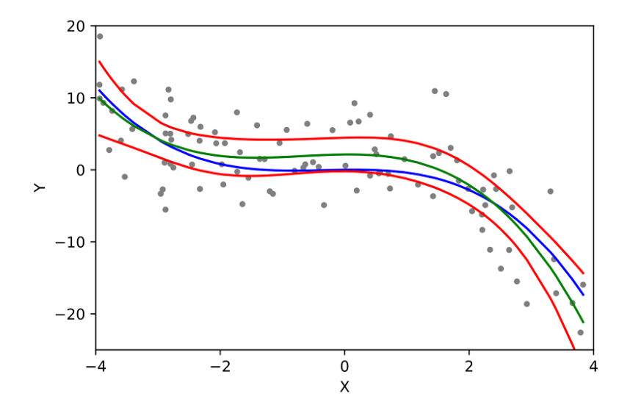

 | Linear Regression
 | Logistic Regression
 | Polynomial Regression - Correct
 | Ridge Regression

5 | Polynomial Regression is an example of?
 | Supervised Learning - Correct
 | Unsupervised Learning
 | Semi-Supervised Learning
 | Non Machine Learning

6 | What is overfitting?
 | Great result in training and great result in test
 | Poor result in training and poor result in test
 | Poor result in training and poor result in test
 | Great result in training and poor result in test - Correct

7 | What are outliers?
 | It is the main trend of our dataset
 | Extreme datapoints in our dataset - Correct
 | It is a regression technique
 | Values that are correlated to eachother

8 | Suppose we have generated the data with help of polynomial regression of degree 3 (degree 3 will perfectly fit this data). Now consider below points and choose the option based on these points.

 | Simple Linear regression will have high bias and low variance & Polynomial of degree 3 will have low bias and Low variance

 | Simple Linear regression will have low bias and high variance & polynomial of degree 3 will have low bias and high variance

 | polynomial of degree 3 will have low bias and high variance & Polynomial of degree 3 will have low bias and Low variance

9 | Which of the following metrics can be used for evaluating regression models?

 | R Squared
 | Adjusted R Squared
 | F Statistics
 | RMSE / MSE / MAE
 | All of the above. - Correct

10 | How do you choose the degree of the polynomial function in polynomial regression?

 | By choosing the highest degree that results in the lowest training error.
 | By choosing the highest degree that results in the lowest testing error. -Correct
 | By choosing the degree based on prior knowledge of the relationship between the variables.

